Picture
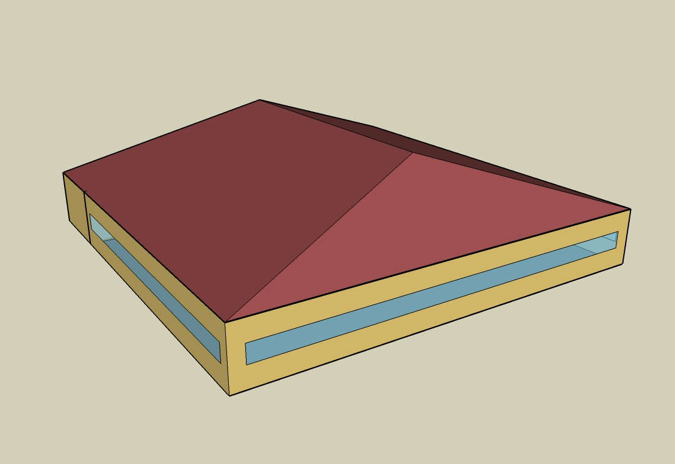
DOE Commercial Reference Building - Full Service Restaurant

Electricity
 | Cooling | Interior Lighting | Exterior Lighting | Interior Equipment | Fans | Refrigeration
Miami | 83,427.78 | 65,897.22 | 18,516.67 | 166,402.78 | 30,211.11 | 18,819.44
Houston | 59,480.56 | 65,897.22 | 18,483.33 | 166,402.78 | 30,405.56 | 18,127.78
Phoenix | 63,355.56 | 65,897.22 | 18,480.56 | 166,402.78 | 30,211.11 | 18,063.89
Atlanta | 31,441.67 | 65,897.22 | 18,511.11 | 166,402.78 | 30,244.44 | 17,438.89
Los Angeles | 10,477.78 | 65,897.22 | 18,508.33 | 166,402.78 | 27,325.00 | 17,480.56
Las Vegas | 47,263.89 | 65,897.22 | 18,488.89 | 166,402.78 | 29,663.89 | 17,561.11
San Francisco | 2,811.11 | 65,897.22 | 18,469.44 | 166,402.78 | 27,091.67 | 16,850.00
Baltimore | 23,858.33 | 65,897.22 | 18,488.89 | 166,402.78 | 29,386.11 | 16,966.67
Albuquerque | 21,263.89 | 65,897.22 | 18,483.33 | 166,402.78 | 33,452.78 | 16,911.11
Seattle | 3,950.00 | 65,897.22 | 18,458.33 | 166,402.78 | 27,300.00 | 16,552.78
Chicago | 16,330.56 | 65,897.22 | 18,461.11 | 166,402.78 | 29,072.22 | 16,663.89
Boulder | 13,936.11 | 65,897.22 | 18,466.67 | 166,402.78 | 32,705.56 | 16,575.00
Minneapolis | 14,488.89 | 65,897.22 | 18,477.78 | 166,402.78 | 29,002.78 | 16,516.67
Helena | 8,166.67 | 65,897.22 | 18,455.56 | 166,402.78 | 30,819.44 | 16,263.89
Duluth | 4,705.56 | 65,897.22 | 18,450.00 | 166,402.78 | 27,811.11 | 16,055.56
Fairbanks | 1,733.33 | 65,897.22 | 18,338.89 | 166,402.78 | 26,275.00 | 15,691.67

Gas
 | Heating | Interior Equipment | Water Systems
Miami | 13,960.00 | 800,920.00 | 162,410.00
Houston | 202,860.00 | 800,920.00 | 193,490.00
Phoenix | 150,700.00 | 800,920.00 | 175,610.00
Atlanta | 384,170.00 | 800,920.00 | 223,430.00
Los Angeles | 124,540.00 | 800,920.00 | 217,620.00
Las Vegas | 252,320.00 | 800,920.00 | 197,130.00
San Francisco | 367,250.00 | 800,920.00 | 243,250.00
Baltimore | 671,850.00 | 800,920.00 | 246,970.00
Albuquerque | 451,970.00 | 800,920.00 | 242,500.00
Seattle | 641,130.00 | 800,920.00 | 259,220.00
Chicago | 903,800.00 | 800,920.00 | 267,630.00
Boulder | 654,850.00 | 800,920.00 | 266,550.00
Minneapolis | 1,135,110.00 | 800,920.00 | 285,480.00
Helena | 947,810.00 | 800,920.00 | 288,730.00
Duluth | 1,413,400.00 | 800,920.00 | 314,930.00
Fairbanks | 2,186,760.00 | 800,920.00 | 350,570.00

EUI
 | Cooling (elec) | Interior Lighting (elec) | Exterior Lighting (elec) | Interior Equipment (elec) | Fans (elec) | Refrigeration (elec) | Heating (gas) | Interior Equipment (gas) | Water Systems (gas)
Miami | 587.58 | 464.11 | 130.41 | 1171.97 | 212.78 | 132.54 | 27.31 | 1566.90 | 317.73
Houston | 418.92 | 464.11 | 130.18 | 1171.97 | 214.14 | 127.67 | 396.87 | 1566.90 | 378.54
Phoenix | 446.21 | 464.11 | 130.16 | 1171.97 | 212.78 | 127.22 | 294.83 | 1566.90 | 343.56
Atlanta | 221.44 | 464.11 | 130.37 | 1171.97 | 213.01 | 122.82 | 751.58 | 1566.90 | 437.11
Los Angeles | 73.79 | 464.11 | 130.35 | 1171.97 | 192.45 | 123.11 | 243.65 | 1566.90 | 425.75
Las Vegas | 332.88 | 464.11 | 130.22 | 1171.97 | 208.92 | 123.68 | 493.63 | 1566.90 | 385.66
San Francisco | 19.80 | 464.11 | 130.08 | 1171.97 | 190.81 | 118.67 | 718.48 | 1566.90 | 475.89
Baltimore | 168.03 | 464.11 | 130.22 | 1171.97 | 206.96 | 119.50 | 1314.39 | 1566.90 | 483.17
Albuquerque | 149.76 | 464.11 | 130.18 | 1171.97 | 235.61 | 119.10 | 884.22 | 1566.90 | 474.42
Seattle | 27.82 | 464.11 | 130.00 | 1171.97 | 192.27 | 116.58 | 1254.29 | 1566.90 | 507.13
Chicago | 115.02 | 464.11 | 130.02 | 1171.97 | 204.75 | 117.36 | 1768.17 | 1566.90 | 523.58
Boulder | 98.15 | 464.11 | 130.06 | 1171.97 | 230.34 | 116.74 | 1281.13 | 1566.90 | 521.47
Minneapolis | 102.04 | 464.11 | 130.14 | 1171.97 | 204.26 | 116.33 | 2220.70 | 1566.90 | 558.51
Helena | 57.52 | 464.11 | 129.98 | 1171.97 | 217.06 | 114.55 | 1854.27 | 1566.90 | 564.86
Duluth | 33.14 | 464.11 | 129.94 | 1171.97 | 195.87 | 113.08 | 2765.14 | 1566.90 | 616.12
Fairbanks | 12.21 | 464.11 | 129.16 | 1171.97 | 185.05 | 110.52 | 4278.12 | 1566.90 | 685.85

Water
 | Total Building | Water for Electricity (m3)
Miami | 1,377.36 | 203.04
Houston | 1,377.36 | 583.81
Phoenix | 1,377.36 | 10,765.20
Atlanta | 1,377.36 | 2,059.98
Los Angeles | 1,377.36 | 5,374.25
Las Vegas | 1,377.36 | 9,472.42
San Francisco | 1,377.36 | 5,223.83
Baltimore | 1,377.36 | 72.88
Albuquerque | 1,377.36 | 1,464.01
Seattle | 1,377.36 | 3,050.32
Chicago | 1,377.36 | 485.34
Boulder | 1,377.36 | 1,425.73
Minneapolis | 1,377.36 | 482.17
Helena | 1,377.36 | 19,383.70
Duluth | 1,377.36 | 464.38
Fairbanks | 1,377.36 | 300.72

Carbon
 | Carbon Equivalent (kg)
Miami | 122,736.66
Houston | 141,271.07
Phoenix | 129,729.74
Atlanta | 127,031.57
Los Angeles | 56,384.24
Las Vegas | 139,002.11
San Francisco | 60,221.90
Baltimore | 117,635.70
Albuquerque | 158,670.78
Seattle | 52,423.79
Chicago | 202,351.42
Boulder | 159,319.10
Minneapolis | 146,439.98
Helena | 148,567.14
Duluth | 148,064.87
Fairbanks | 143,020.91

LghtSch
Lighting Schedules
 | Weekday | Saturday | Sunday
 | 0.45 | 0.45 | 0.45
 | 0.15 | 0.15 | 0.15
 | 0.15 | 0.15 | 0.15
 | 0.15 | 0.15 | 0.15
 | 0.15 | 0.15 | 0.15
 | 0.45 | 0.45 | 0.45
 | 0.9 | 0.9 | 0.9
 | 0.9 | 0.9 | 0.9
 | 0.9 | 0.9 | 0.9
 | 0.9 | 0.9 | 0.9
 | 0.9 | 0.9 | 0.9
 | 0.9 | 0.9 | 0.9
 | 0.9 | 0.9 | 0.9
 | 0.9 | 0.9 | 0.9
 | 0.9 | 0.9 | 0.9
 | 0.9 | 0.9 | 0.9
 | 0.9 | 0.9 | 0.9
 | 0.9 | 0.9 | 0.9
 | 0.9 | 0.9 | 0.9
 | 0.9 | 0.9 | 0.9
 | 0.9 | 0.9 | 0.9
 | 0.9 | 0.9 | 0.9
 | 0.9 | 0.9 | 0.9
 | 0.9 | 0.9 | 0.9

EqpSch
Kitchen Equipment Schedules
 | Weekday | Saturday | Sunday
 | 0.1 | 0.1 | 0.1
 | 0.1 | 0.1 | 0.1
 | 0.1 | 0.1 | 0.1
 | 0.1 | 0.1 | 0.1
 | 0.1 | 0.1 | 0.1
 | 0.1 | 0.1 | 0.1
 | 0.25 | 0.25 | 0.25
 | 0.35 | 0.35 | 0.35
 | 0.35 | 0.35 | 0.35
 | 0.25 | 0.25 | 0.25
 | 0.35 | 0.35 | 0.35
 | 0.35 | 0.35 | 0.35
 | 0.35 | 0.35 | 0.35
 | 0.25 | 0.25 | 0.25
 | 0.25 | 0.25 | 0.25
 | 0.25 | 0.25 | 0.25
 | 0.35 | 0.35 | 0.35
 | 0.35 | 0.35 | 0.35
 | 0.35 | 0.35 | 0.35
 | 0.25 | 0.25 | 0.25
 | 0.25 | 0.25 | 0.25
 | 0.25 | 0.25 | 0.25
 | 0.25 | 0.25 | 0.25
 | 0.25 | 0.25 | 0.25

GasEquipSch
Kitchen Gas Equipment Schedule
 | AllDays
 | 0.02
 | 0.02
 | 0.02
 | 0.02
 | 0.02
 | 0.05
 | 0.1
 | 0.15
 | 0.2
 | 0.15
 | 0.25
 | 0.25
 | 0.25
 | 0.2
 | 0.15
 | 0.2
 | 0.3
 | 0.3
 | 0.3
 | 0.2
 | 0.2
 | 0.15
 | 0.1
 | 0.05

OccSch
Occupancy Schedules
 | Weekday | Saturday | Sunday
 | 0.05 | 0.05 | 0.05
 | 0 | 0 | 0
 | 0 | 0 | 0
 | 0 | 0 | 0
 | 0 | 0 | 0
 | 0.05 | 0 | 0
 | 0.1 | 0.05 | 0.05
 | 0.4 | 0.5 | 0.5
 | 0.4 | 0.5 | 0.5
 | 0.4 | 0.4 | 0.2
 | 0.2 | 0.2 | 0.2
 | 0.5 | 0.45 | 0.3
 | 0.8 | 0.5 | 0.5
 | 0.7 | 0.5 | 0.5
 | 0.4 | 0.35 | 0.3
 | 0.2 | 0.3 | 0.2
 | 0.25 | 0.3 | 0.25
 | 0.5 | 0.3 | 0.35
 | 0.8 | 0.7 | 0.55
 | 0.8 | 0.9 | 0.65
 | 0.8 | 0.7 | 0.7
 | 0.5 | 0.65 | 0.35
 | 0.35 | 0.55 | 0.2
 | 0.2 | 0.35 | 0.2

HeatSch
Dining Heating Set Point Schedules
 | Weekday | Saturday | Sunday
 | 21 | 21 | 21
 | 15.6 | 15.6 | 15.6
 | 15.6 | 15.6 | 15.6
 | 15.6 | 15.6 | 15.6
 | 15.6 | 15.6 | 15.6
 | 21 | 21 | 21
 | 21 | 21 | 21
 | 21 | 21 | 21
 | 21 | 21 | 21
 | 21 | 21 | 21
 | 21 | 21 | 21
 | 21 | 21 | 21
 | 21 | 21 | 21
 | 21 | 21 | 21
 | 21 | 21 | 21
 | 21 | 21 | 21
 | 21 | 21 | 21
 | 21 | 21 | 21
 | 21 | 21 | 21
 | 21 | 21 | 21
 | 21 | 21 | 21
 | 21 | 21 | 21
 | 21 | 21 | 21
 | 21 | 21 | 21

CoolSch
Dining Cooling Set Point Schedules
 | Weekday | Saturday | Sunday
 | 24 | 24 | 24
 | 30 | 30 | 30
 | 30 | 30 | 30
 | 30 | 30 | 30
 | 30 | 30 | 30
 | 24 | 24 | 24
 | 24 | 24 | 24
 | 24 | 24 | 24
 | 24 | 24 | 24
 | 24 | 24 | 24
 | 24 | 24 | 24
 | 24 | 24 | 24
 | 24 | 24 | 24
 | 24 | 24 | 24
 | 24 | 24 | 24
 | 24 | 24 | 24
 | 24 | 24 | 24
 | 24 | 24 | 24
 | 24 | 24 | 24
 | 24 | 24 | 24
 | 24 | 24 | 24
 | 24 | 24 | 24
 | 24 | 24 | 24
 | 24 | 24 | 24

HeatSchKitchen
Kitchen Heating Set Point Schedules
 | Weekday | Saturday | Sunday
 | 19 | 19 | 19
 | 15.6 | 15.6 | 15.6
 | 15.6 | 15.6 | 15.6
 | 15.6 | 15.6 | 15.6
 | 15.6 | 15.6 | 15.6
 | 19 | 19 | 19
 | 19 | 19 | 19
 | 19 | 19 | 19
 | 19 | 19 | 19
 | 19 | 19 | 19
 | 19 | 19 | 19
 | 19 | 19 | 19
 | 19 | 19 | 19
 | 19 | 19 | 19
 | 19 | 19 | 19
 | 19 | 19 | 19
 | 19 | 19 | 19
 | 19 | 19 | 19
 | 19 | 19 | 19
 | 19 | 19 | 19
 | 19 | 19 | 19
 | 19 | 19 | 19
 | 19 | 19 | 19
 | 19 | 19 | 19

CoolSchKitchen
Kitchen Cooling Set Point Schedules
 | Weekday | Saturday | Sunday
 | 24 | 24 | 24
 | 30 | 30 | 30
 | 30 | 30 | 30
 | 30 | 30 | 30
 | 30 | 30 | 30
 | 24 | 24 | 24
 | 24 | 24 | 24
 | 24 | 24 | 24
 | 24 | 24 | 24
 | 24 | 24 | 24
 | 24 | 24 | 24
 | 24 | 24 | 24
 | 24 | 24 | 24
 | 24 | 24 | 24
 | 24 | 24 | 24
 | 24 | 24 | 24
 | 24 | 24 | 24
 | 24 | 24 | 24
 | 24 | 24 | 24
 | 24 | 24 | 24
 | 24 | 24 | 24
 | 24 | 24 | 24
 | 24 | 24 | 24
 | 24 | 24 | 24

